Sayfa1
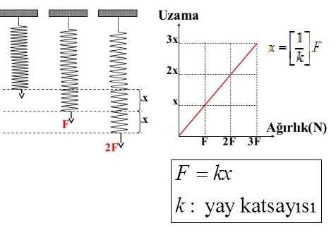
F(N) | x1(mm) | x2(mm)
1.00 | 3.00 | 2.39
2.00 | 4.50 | 4.48
3.00 | 6.30 | 6.31
4.00 | 7.50 | 8.69
5.00 | 9.00 | 10.31
6.00 | 10.50 | 12.61
7.00 | 13.50 | 15.85
8.00 | 15.70 | 16.96
9.00 | 17.90 | 18.89
1.00 | 2.39
2.00 | 4.48
3.00 | 6.31
4.00 | 8.69
5.00 | 10.31 |  | k1 | 0.52 | N/mm
6.00 | 12.61 |  | k2 | 0.47 | N/mm
7.00 | 15.85 |  | k | 0.49
8.00 | 16.96 |  |  |  | 0.03
9.00 | 18.89 |  |  |  | -0.02

